eSurevy GNSS Antenna
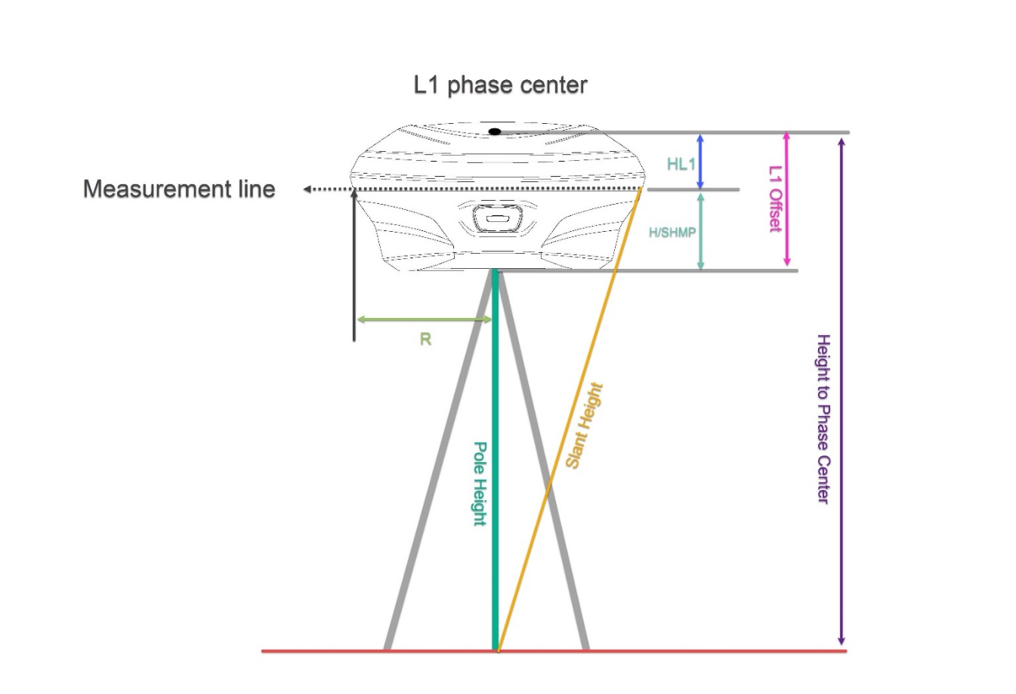
Receiver Model | Antenna Type | Radius/R | H/SHMP Offset | HL1 | L1 Offset | HL2 | L2 Offset | NGS ANTEX File
E100 | ESVE100 | 0.074 | 0.043 | 0.034 | 0.077 | 0.026 | 0.069
E300 Pro | ESVE300PRO | 0.079 | 0.04 | 0.032 | 0.072 | 0.022 | 0.062
E500 | ESVE500 | 0.074 | 0.042 | 0.037 | 0.079 | 0.028 | 0.07
E600 | ESVE600 | 0.078 | 0.055 | 0.015 | 0.07 | 0.006 | 0.061
E800 | ESVE800 | 0.077 | 0.047 | 0.019 | 0.066 | 0.022 | 0.069

NGS Web: https://geodesy.noaa.gov/ANTCAL/#

